Overview & Instructions
Low-carbon and Circularity Assessment Tool (LCAT) v18
This SME-friendly tool assesses a company's commitment to reducing its greenhouse gas (GHG) emissions and to circularity.

Categories / Scopes of Greenhouse Gases (GHGs)
GHG emissions have various sources. They are known as Scope 1, Scope 2, and Scope 3 emissions. Companies are accountable for all of them. • Scope 1 direct GHG emissions are from stationary sources (e.g., buildings) and mobile sources (e.g., cars, vans, trucks) that are owned or controlled by your company. • Scope 2 indirect GHG emissions are from power plants associated with the generation of a company's purchased electricity or steam. • Scope 3 indirect GHG emissions occur elsewhere in the a company's value chain. Scope 3 emissions usually account for 50% to 90% of an organization's carbon footprint. They come from the 15 sources / categories numbered in the figure below.

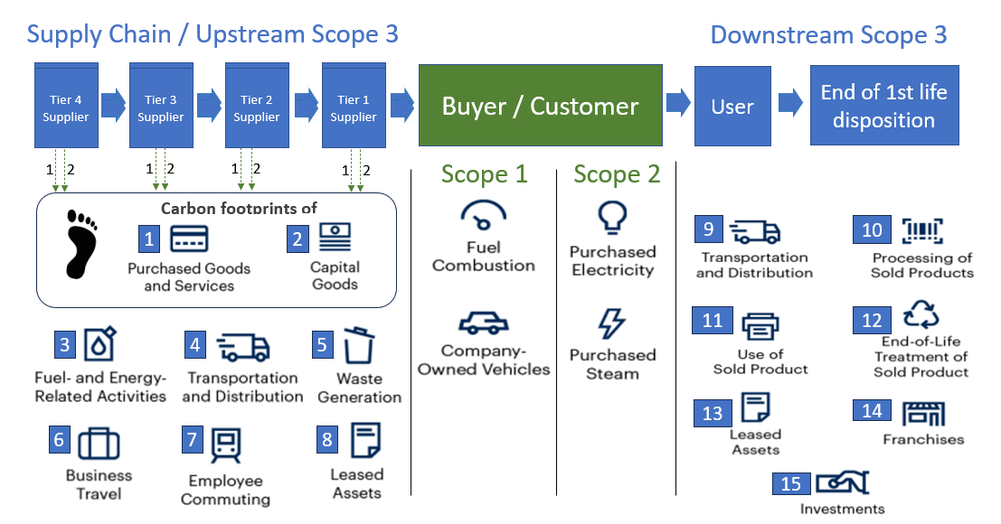

 | G&A's guide, "ABCs of Corporate Climate Action", provides plain-language GHG-related definitions, concepts and strategies.

This questionnaire is intended for use by buyers to assess their suppliers' commitments to reducing the carbon footprints of their products and services. As shown in the figure above, supplier Scope 1 and 2 GHG emissions contribute to the carbon footprints of goods, services, and capital goods purchased by their customers. Buyers must account for the carbon footprint of purchased goods, services, and capital goods in the year the products are acquired. Therefore, this questionnaire is only about suppliers' Scope 1 and 2 GHG emissions that contribute to their products' carbon footprints, not their Scope 3 emissions.

Overall Guidance
• Answer the questions in any sequence: Use the worksheet tabs below to navigate through the questions and worksheets. Scores on each section, and on some questions, are calculated and displayed in real time, so you can see what would need to be done in order to improve your performance. • Estimates: If you are not sure of an answer, estimates are okay. Just be sure to document your estimation methodology, data sources, and assumptions so that they can be improved later and could be assured / verified by a third party.

Collaboration Guidance

Ways to collaborate with your colleagues when completing the questionnaire: • Virtual meeting: Share your master copy on your screen in a virtual call with your colleagues and update it with them, live. • Email: Send copies of this workbook to your colleagues, with guidance on where you would like their help. Then, consolidate their replies into your master copy. • In-person meeting: Of course, this old-school approach still works, too. In addition, resources to help calculate Scope 1 and 2 emissions are listed at the bottom of the Scope 1 and Scope 2 pages.

Legend
Yellow fields are for your input.
Light purple fields are auto-calculated based on the content or checkmarks in yellow fields.
White fields are used for instructions, explanations, or labels for adjacent fields

 |  | (Replace this with the Buyer/Customer logo)
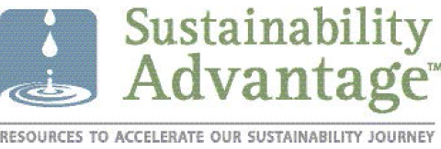

Circular Design
Circular Design
Commitment to circular design not only reduces waste and the extraction of raw materials, it also eliminates the GHG emissions from Tier 2, 3, and 4 suppliers that would have contributed to the carbon footprint of your product, as shown in the figure on the right. The International Energy Agency’s Net Zero by 2050 framework calls out the essential role of the circular economy in achieving the net zero transition, including through material efficiency and recycling of materials such as steel and plastics. The circular economy is a cost-effective approach to reaching net zero. Like energy efficiency, better material efficiency helps reduce energy demand through improved production efficiency. |  | 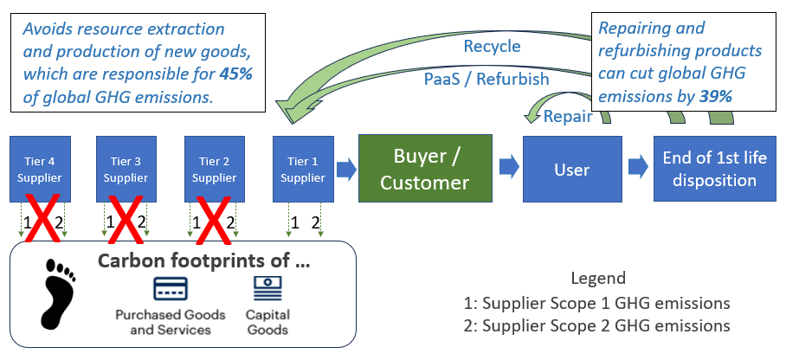

Circular design of our physical products and offerings, and their packaging
This question is about your commitment to circular design of your physical products, offerings, and packaging. Check all that apply, below.
 | We do not offer any physical, solid products or offerings. (e.g. we only sell consumables like food) (If selected, you score 100% on circular design of your physical products. Skip to the next page)
 | Over 10% by weight of recycled parts / renewable input materials / recycled plastics are used in our physical products.
 | Over 10% of our revenue from physical products that are designed for repair and refurbishing.
 | Over 10% of our revenue is from physical products that we offer to take-back, even if customers do not return them.
 | Over 10% of our revenue is from physical products that we offer as refurbished products.
 | Over 10% of our revenue is from physical products that we offer for lease, rent, or Product-as-a-Service (PaaS).
 | Over 10% by weight of recycled, recyclable, renewable or biodegradable materials is used in our packaging.
 | We take back over 10% of our packaging for reuse and / or recycling.
0% | Circularity score
Links to evidence, for verification purposes
(Insert link(s) to publicly available evidence / webpages / reports that support the above answers. Please include the page number(s) or section name(s) where the backup evidence is located.)

Circular Innovation Council (CIC) - Circular Procurement: Strategies for Circular Criteria

 |  |  | 1

Bonus Points
Bonus Points
You may go beyond reducing your own GHG emissions and transitioning to renewable energy. You earn bonus points if you also do any of the following:
"Ripple Effect:" We incentivize our suppliers to commit to reducing their GHGs
We use this kind of Low-carbon and Circularity Assessment Tool (LCAT) with more than 10% of our suppliers, and allocate significant points to the scores of our suppliers on the questionnaire. In the figure below, we are the Tier 1 supplier. i.e., We use Low-carbon and Circular Procurement (LCP) as a market force to incentivize our suppliers to commit to reducing their GHG reductions.
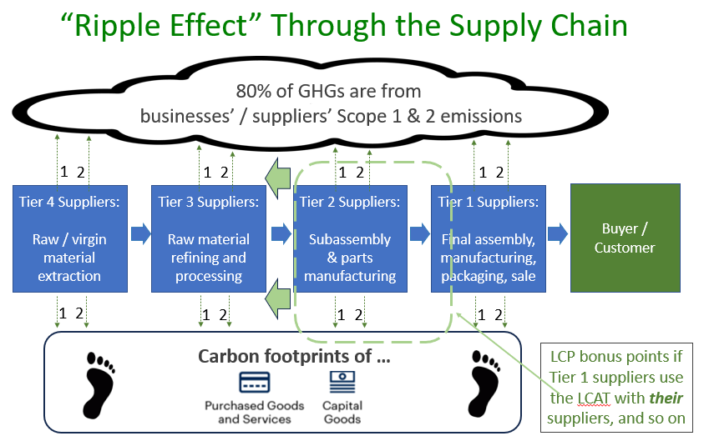

Our goods and services help others reduce their GHGs
• Our goods and services help others use energy significantly more efficiently e.g., energy-efficient appliances; energy metering and audit software; IT enabled energy management.
• Our goods and services help others have access to low-impact renewable energy e.g., solar powered lanterns; solar panel installation; wind turbine manufacturing; microgrid systems; energy storage systems; next generation biofuels
• Our goods and services help others emit significantly fewer GHGs e.g., hybrid vehicles; heat pumps, electric vehicles; use of green hydrogen, renewable electricity and batteries to power machinery and equipment
• Our goods and services help to permanently remove GHGs from the atmosphere e.g., carbon removal and permanent sequestration technologies; propagation, protection or rehabilitation of natural carbon sinks.
More than 10% of our revenue comes from products and services that help our customers in one or more of the above ways.
(Insert link(s) to publicly available evidence / information / reports that support the above answer)
The equivalent of more than 10% of our revenue is represented by the value of our in-kind and monetary donations to organizations that advocate for, and support, the race to net-zero, including organizations that help others in one or more of the above ways.
(Insert link(s) to publicly available evidence / information / reports that support the above answers)
Bonus score for positive impacts (maximum of 20% available) | 0%
Links to evidence, for verification purposes
(Insert link(s) to publicly available evidence / webpages / reports that support the above answers. Please include the page number(s) or section name(s) where the backup evidence is located.)

